Mounting Instructions
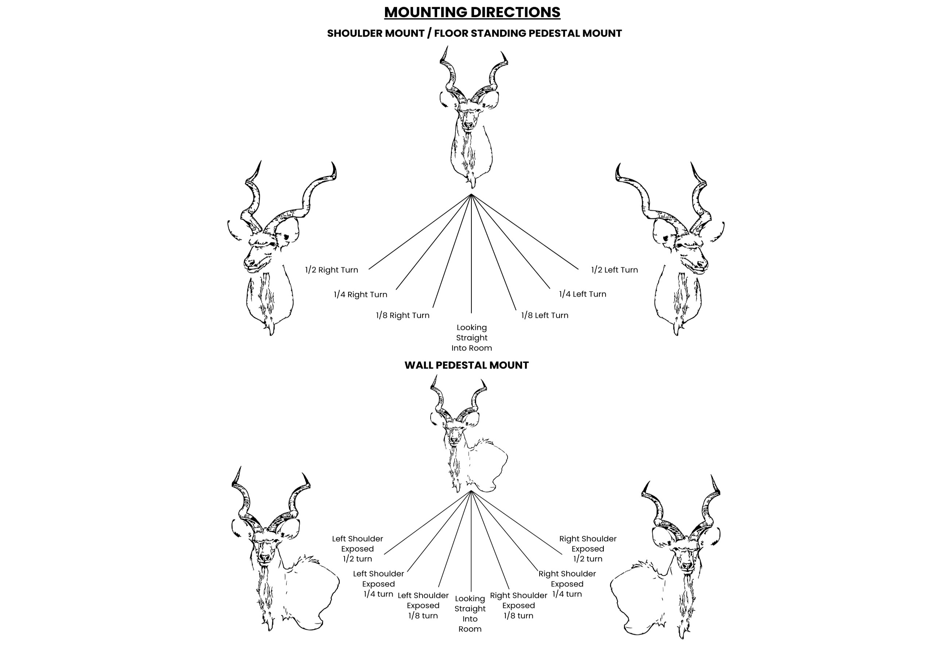
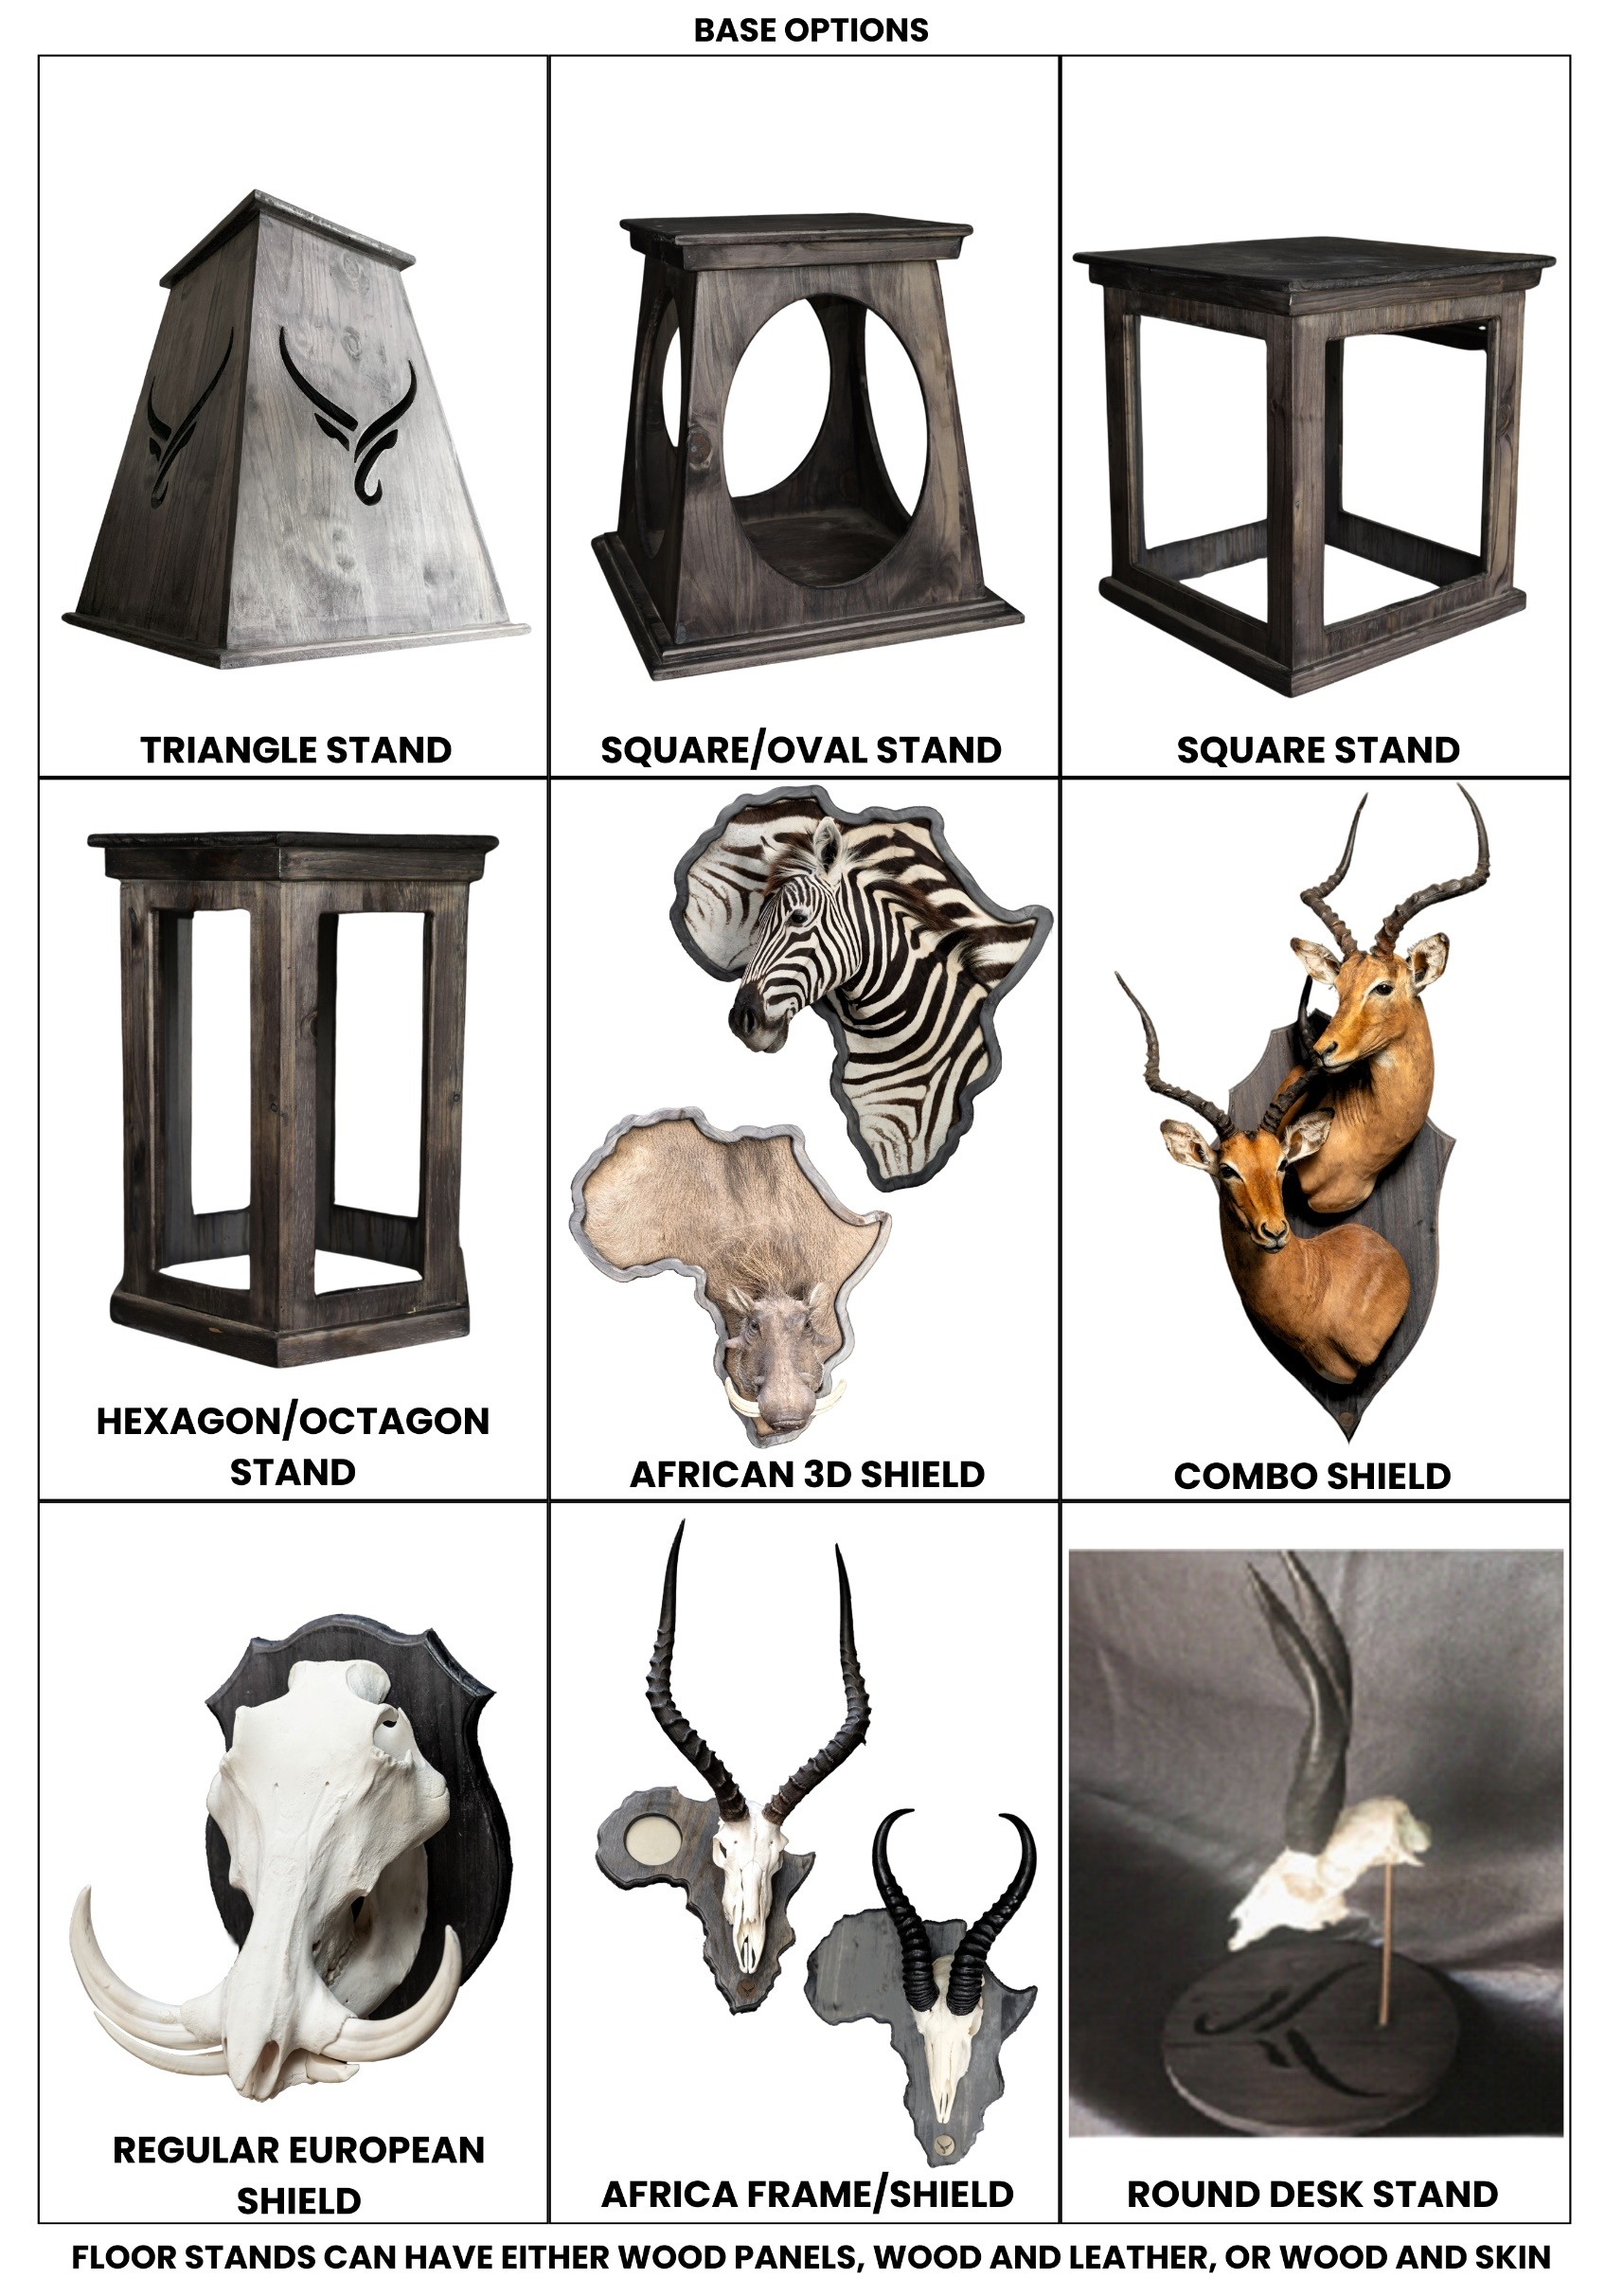
CLIENT NAME & SURNAME: |  |  |  | ORDER NUMBER:
MOUNTING INSTRUCTIONS INFO SHEET
 | MOUNT TYPE | LEFT TURN | STRAIGHT | RIGHT TURN
 |  | Indicate degree of turn |  | Indicate degree of turn
ANIMAL:
1
2
3
4
5

TANNERY:
1
2

PEDESTAL BASES:
1
2

SPECIAL INSTRUCTIONS:
PLEASE NOTE: •THE ABOVE DIRECTIONS IS INDICATIVE WHEN STANDING BEHIND THE ANIMAL. •ALSO PLEASE NOTE SPECIAL INSTRUCTIONS. SAME APPLIES TO WALL PEDESTALS. •YOU ARE WELCOME TO FORWARD PICTURES OF MOUNTS THAT YOU MIGHT LIKE TO customer.services@wildclone.com or WhatsApp to +27 63 666 9587

